MOrange CNY 2021
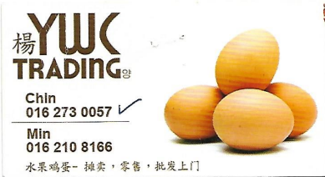
Customer Code | Customer | Mandaria Orange (Boss gift box) | Mandaria Orange (XL box)
C00000001 | Kelnico Marketing | 1 | 1

C00000002 | Sley |  | 1

C00000003 | Pandian Art Gallery Manufacturing | 1 | 1

C00000004 | Siew Min Lorry Sdn Bhd |  | 2

C00000005 | Artscene Creative |  | 2

C00000006 | Perniagaan Fibra Sahih |  | 1

C00000007 | Chin Fibreglass (M) Sdn Bhd |  | 2

C00000008 | Wonderland Design Productions Studio |  | 2

C00000009 | JMC Steel Engineering Sdn Bhd |  | 3

C00000010 | Yew Seng Gardening Supply Sdn Bhd | 1 | 1

C00000011 | JT Johan Sdn Bhd

C00000012 | Cash

C00000013 | PMC Sdn Bhd | 1 | 1

C00000014 | IK Fibre Glass Enterprise |  | 2

 | Berkat Fiberglass |  | 1

 | Chemrex Sdn Bhd | 1

 |  | 5 | 20

Gift
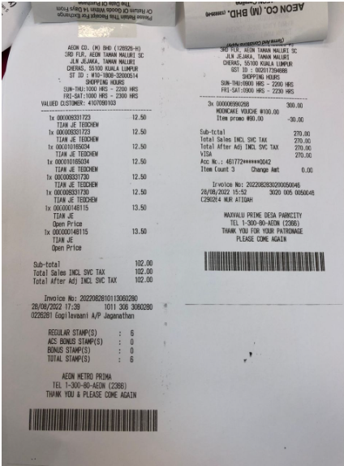
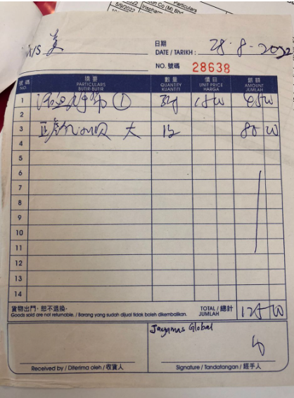
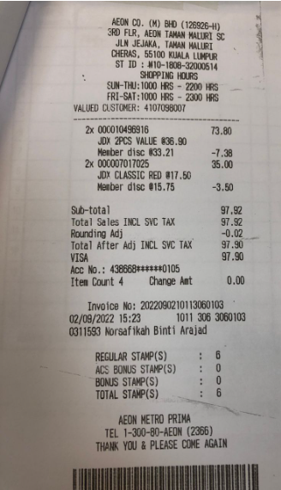

GFRP |  | JMC |  | Yew Seng

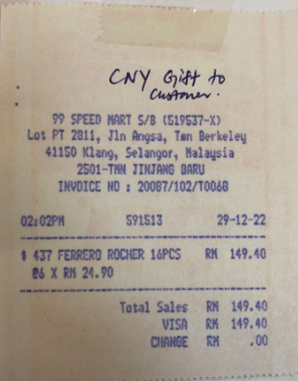
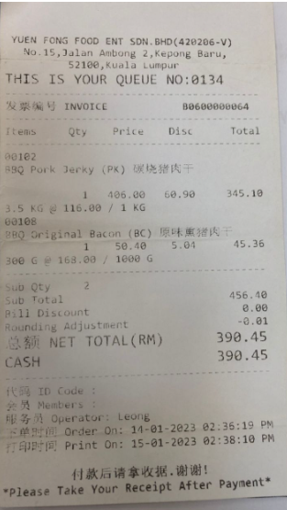

 | Bestway, Yew Seng, WSK, Kelnico

GFRP |  |  | GFRP

